Pivot Monthly
Sales per Month
Hourly Performance

Pivot Per Hour
Astoria, Hell's Kitchen and Lower Manhattan

Revenue per store
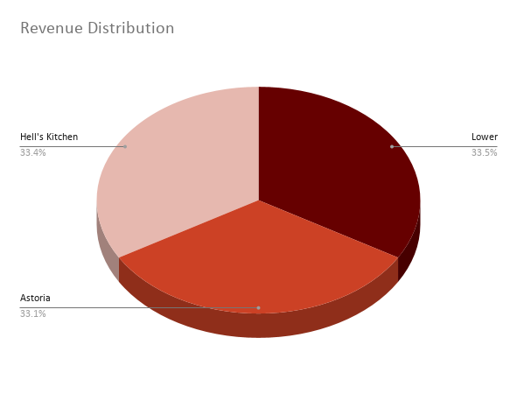
store_location | UnitsSold | Revenue
Lower Manhattan | 71742 | 230057.25
Astoria | 70991 | 232243.91
Hell's Kitchen | 71737 | 236511.17

